2008
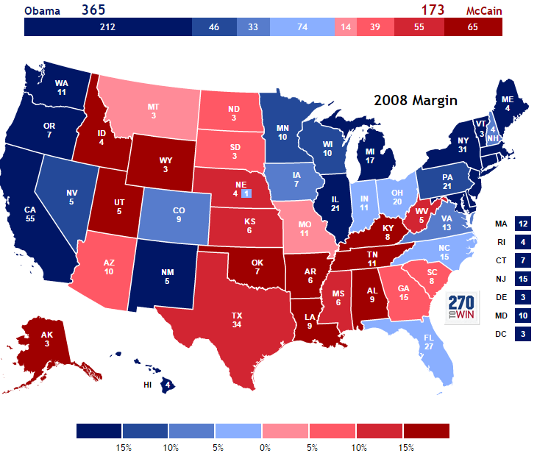
Blue States | Red States | Swing States | https://www.nytimes.com/elections/2008/results/president/votes.html
District of Columbia | Kentucky | Virginia | https://www.270towin.com/2008_Election/
Massachusetts | Alabama | Iowa
Connecticut | Alaska | Colorado
Maine | Kansas | North Dakota
Maryland | Oklahoma | South Carolina
New Jersey | Idaho | Arizona
Delaware | Mississippi | New Hampshire
Hawaii | Wyoming | Ohio
Vermont | Utah | North Carolina
Washington | Louisiana | Indiana
Michigan | Nebraska | Florida
Illinois | Tennessee | Georgia
California | Texas | Missouri
Rhode Island | Arkansas | Montana
Oregon | West Virginia | South Dakota
New York
Wisconsin
Pennsylvania
Nevada
Minnesota
New Mexico

2012
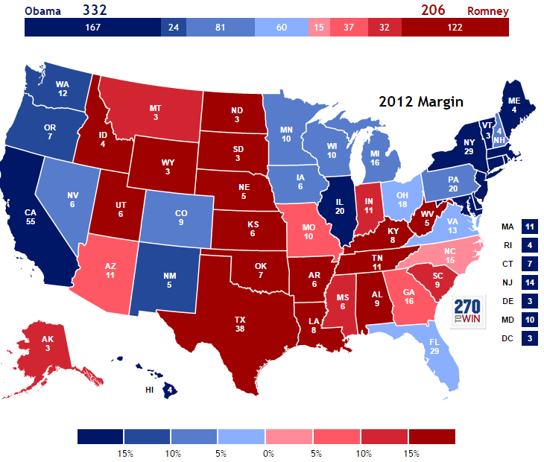
Blue States | Red States | Swing States | https://www.nytimes.com/elections/2012/results/president.html
District of Columbia | Kentucky | Virginia | https://www.270towin.com/2012_Election/
Massachusetts | Alabama | Iowa
Connecticut | Alaska | Colorado
Maine | Kansas | Minnesota
Maryland | Oklahoma | Nevada
New Jersey | South Carolina | Arizona
Delaware | Wyoming | New Hampshire
Hawaii | Utah | Pennsylvania
Vermont | Louisiana | Wisconsin
Washington | Nebraska | Ohio
Illinois | Tennessee | North Carolina
California | Texas | Michigan
Rhode Island | South Dakota | Florida
Oregon | Idaho | Georgia
New York | Mississippi | Missouri
New Mexico | Arkansas
 | Indiana
 | Montana
 | West Virginia
 | North Dakota

2016
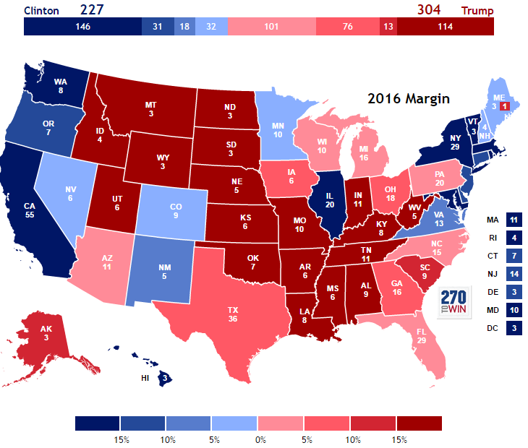
Blue States | Red States | Swing States | https://www.nytimes.com/elections/2016/results/president
District of Columbia | Kentucky | Virginia | https://www.270towin.com/2016_Election/
Massachusetts | Alabama | Iowa
Connecticut | Alaska | Colorado
Maryland | Kansas | Minnesota
New Jersey | Oklahoma | Nevada
Delaware | Indiana | New Mexico
Hawaii | South Carolina | New Hampshire
Vermont | Wyoming | Pennsylvania
Washington | Utah | Wisconsin
Illinois | Louisiana | Ohio
California | Nebraska | North Carolina
Rhode Island | Tennessee | Arizona
Oregon | South Dakota | Florida
New York | Idaho | Georgia
 | Mississippi | North Dakota
 | Arkansas | Maine
 | Missouri | Michigan
 | Montana | Texas
 | West Virginia

